RCUs
2013 Lineup RCUs

TM1390A Metal Smart Touch control | TM1360A Smart Touch control | TM1390 | TM1270A
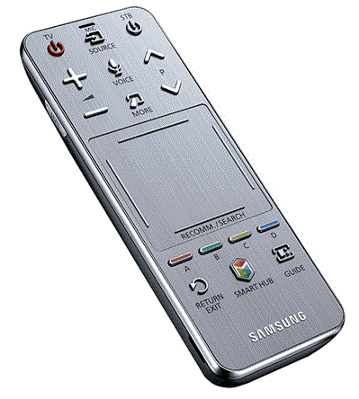
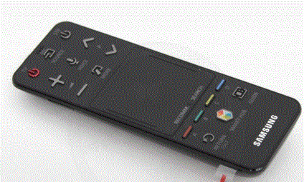

TM1250A (F4500, F5300~F6300) | TM1240A | TM1240 (non-Smart TVs)

